Justification
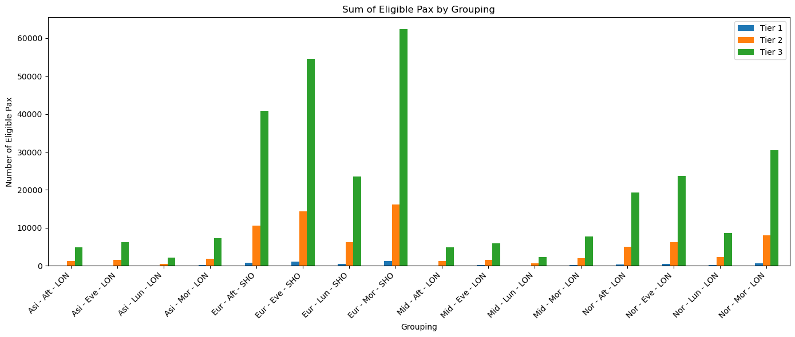
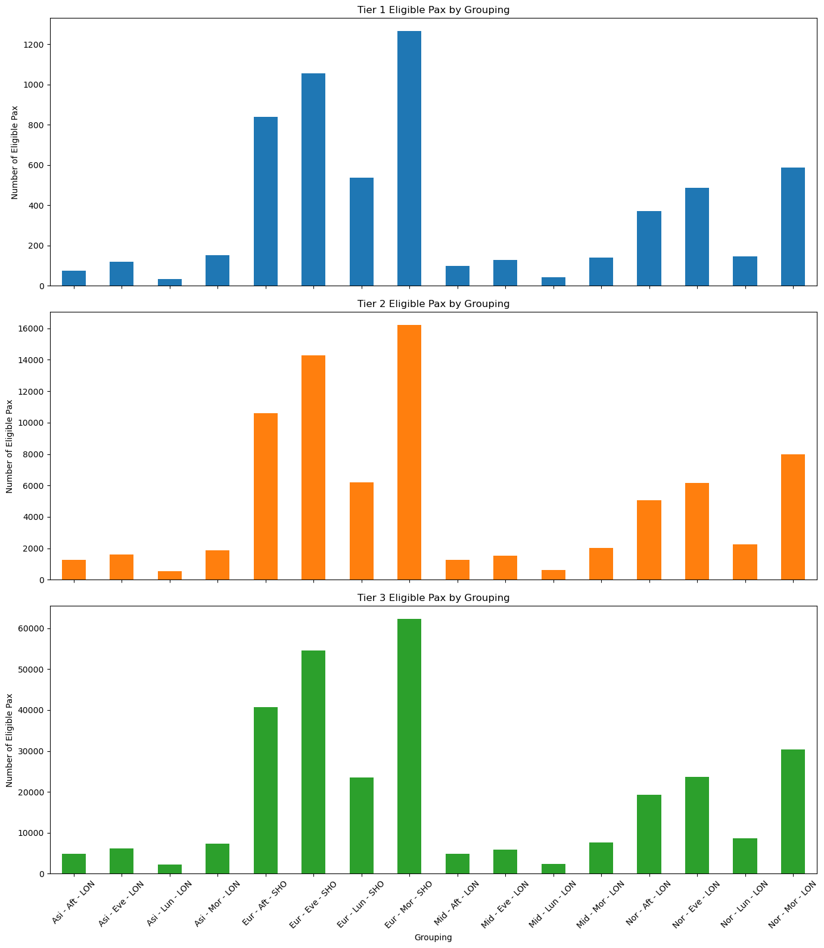
Justification:
Prompt | Your Response
1. How did you group the flights in your table? | I have grouped the filghts by ARRIVAL_REGION, TIME_OF_DAY and HAUL
2. Why did you choose that grouping method? | This grouping captures the three primary drivers of flight demand and operational patterns: geographic market dynamics (region), passenger behavior cycles (time), and service type requirements (haul distance).
3. What assumptions did you make about passenger eligibility ? | Assumed all passengers within the same region-time-haul group have similar travel patterns, price sensitivity, and booking behaviors.
4. How can your model apply to future or changing flight schedules? | The model adapts automatically as new flights get classified into existing region-time-haul combinations, while new route patterns can be easily incorporated.

